Çizelge1
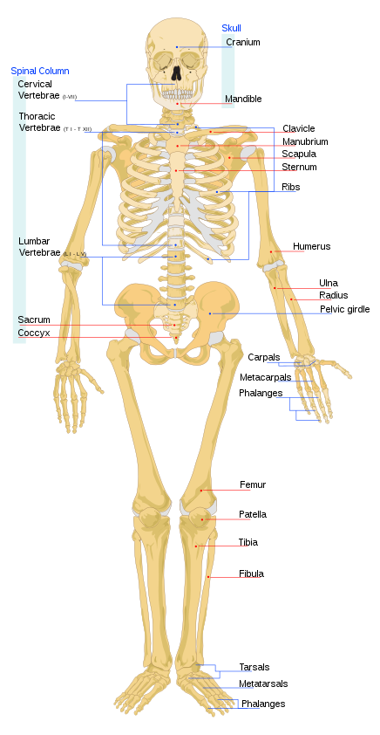
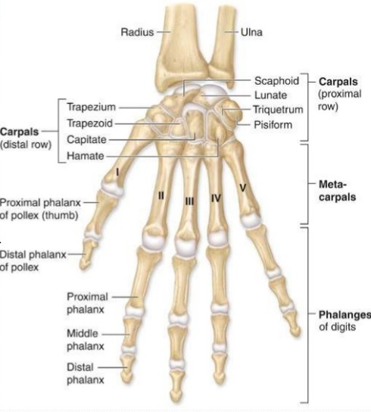
No | Extremity
1 | Upper | Scapula |  | Left | Right
2 | Upper | Clavicle |  | Left | Right
3 | Upper | Humerus |  | Left | Right
4 | Upper | Radius |  | Left | Right
5 | Upper | Ulna |  | Left | Right
5.1 | Upper | Carpals |  | Left | Right
5.2 | Upper |  | Scaphoid | Left | Right
5.3 | Upper |  | Lunate | Left | Right
5.4 | Upper |  | Triquetrum | Left | Right
5.5 | Upper |  | Pisiform | Left | Right
5.6 | Upper |  | Trapezium | Left | Right
5.7 | Upper |  | Trapezoid | Left | Right
5.8 | Upper |  | Capitate | Left | Right
6 | Upper |  | Hamate | Left | Right
6 | Upper | Metacarpals |  | Left | Right
6.1 | Upper |  | 1 | Left | Right
6.2 | Upper |  | 2 | Left | Right
6.3 | Upper |  | 3 | Left | Right
6.4 | Upper |  | 4 | Left | Right
6.5 | Upper |  | 5 | Left | Right
7 | Upper | Phalanges of the hand |  | Left | Right
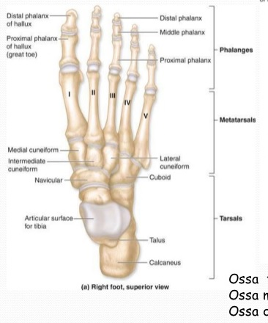
7.1 | Upper |  | Proximal phalanges | Left | Right
7.2 | Upper |  | Intermediate phalanges | Left | Right
7.3 | Upper |  | Distal phalanges | Left | Right
8 | Upper |  |  | Left | Right
8.1 | Lower | Ilium |  | Left | Right
8.2 | Lower | Ischium |  | Left | Right
8.3 | Lower | Pubis |  | Left | Right
9 | Lower | Femur |  | Left | Right
10 | Lower | Patella |  | Left | Right
11 | Lower | Tibia |  | Left | Right
12 | Lower | Fibula |  | Left | Right
13 | Lower | Foot |  | Left | Right
13.1 | Lower |  | Calcaneus | Left | Right
13.2 | Lower |  | Talus | Left | Right
13.3 | Lower |  | Navicular | Left | Right
13.4 | Lower |  | Medial Cuneiform | Left | Right
13.5 | Lower |  | Intermediate Cuneiform | Left | Right
13.6 | Lower |  | Lateral Cuneiform | Left | Right
13.7 | Lower |  | Cuboid | Left | Right
14 | Lower | Metatarsals |  | Left | Right
14.1 | Lower |  | 1 | Left | Right
14.2 | Lower |  | 2 | Left | Right
14.3 | Lower |  | 3 | Left | Right
14.4 | Lower |  | 4 | Left | Right
15 | Lower |  | 5 | Left | Right
15.1 | Lower | Phalanges |  | Left | Right
15.2 | Lower |  | Proximal phalanges | Left | Right
15.3 | Lower |  | Intermediate phalanges | Left | Right
15.4 | Lower |  | Distal phalanges | Left | Right

